Sheet1
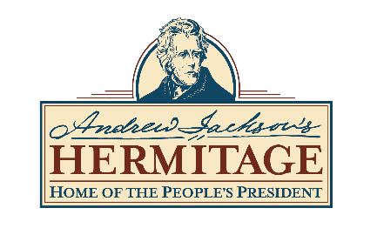

 | FY2022 Revised
 | Operating Budget
Operating Revenue:
Admissions and Tours | 3,111,000
Museum Store Sales | 600,000
Event Rental Revenue | 105,000
Other | 282,700
Operating Revenue | 4,098,700

Government Grants | 2,000,000

Membership Dues | 32,500

Contributed Revenue
Contributions | 653,800
Fundraising Events | 150,000
Contributed Revenue | 803,800

Total Revenues | 6,935,000

Personnel | 3,295,000
Advertising | 339,000
Professional Fees | 310,000
Museum Store Inventory | 306,000
Utilities | 244,000
Insurance | 192,000
Equipment | 187,000
Property Maintenance | 142,000
Supplies | 140,000
Credit card and other fees | 98,000
Professional Development/Travel | 45,000
Printing | 42,000
Audio Royalties | 33,000
Preservation | 27,000
Dues and Memberships | 12,000
Postage | 12,000
Equipment Rental | 10,000

Total Personnel and Operating Expenses | 5,434,000

Revenue Over/Under Expense Before Capital Expenditures and Depreciation | 1,501,000
Capital Expenditures | 2,000,000
Revenue Over/Under Expense with Capital Expenditures and Depreciation | (499,000)

