Rev Trend
Note that picture at bottom is for printing due to revised scale
 |  | January | February | March | April | May | June | July | August | September | October | November | December
 | Recurring | $6,250 | $6,250 | $6,250 | $6,250 | $6,250 | $6,250 | $6,250 | $6,250 | $6,250 | $6,250 | $6,250 | $6,250
 | Fundraiser | $- | $- | $- | $- | $- | $- | $- | $- | $10,000 | $127,000 | $8,000 | $5,000
 | One Time | $- | $- | $- | $10,000 | $20,000 | $20,000 | $20,000 | $20,000 | $10,000 | $10,000 | $10,000 | $10,000
 | Grant | $11,200 | $- | $1,800 | $3,600 | $8,600 | $8,500 | $12,200 | $9,350 | $20,000 | $10,000 | $5,000 | $10,000
 | Produce | $- | $- | $- | $- | $- | $1,586 | $3,964 | $4,757 | $4,757 | $3,171 | $1,586 | $-
 | Other | $- | $- | $- | $200 | $1,000 | $- | $400 | $- | $- | $- | $- | $400
 |  | $17,450 | $6,250 | $8,050 | $20,050 | $35,850 | $36,336 | $42,814 | $40,357 | $51,007 | $156,421 | $30,836 | $31,650

Revenue by Month
$160,000

Insurance
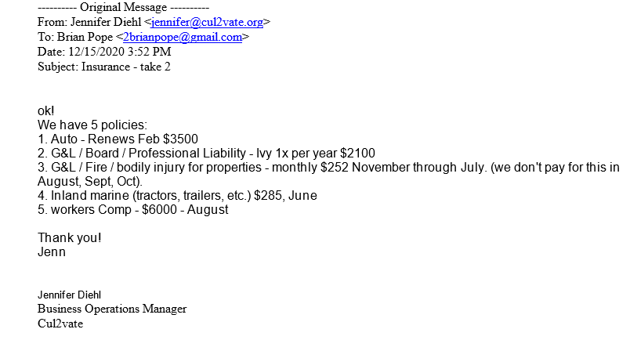
Cul2vate
Account QuickReport
Since December 5, 2016

 | Date | Name | Memo/Description | Account | Amount
Insurance |  |  |  |  |  | Jan | Feb | Mar | Apr | May | Jun | Jul | Aug | Sep | Oct | Nov | Dec
 | Aug | Zurich-American | renewal of workers comp insurance | Insurance | 6,000 |  |  |  |  |  |  |  | 6,000
 | November | IVY Insurance | General liability, Board, Prof Liability | Insurance | 2,100 |  |  |  |  |  |  |  |  |  |  | 2,100
 | monthly | Erie Insurance | G&L/Fire/Bodily injusry for properties. Paid Nov-July and not paid Aug-Oct | Insurance | 2,268 | 252 | 252 | 252 | 252 | 252 | 252 | 252 |  |  |  | 252 | 252
 | June | Inland Marine | Tractor and other equipment |  | 285 |  |  |  |  |  | 285
 | February | Erie Insurance | Auto - Van and Truck | Insurance | 3,500 |  | 3,500
Total for Insurance |  |  |  |  | 14,153 | 252 | 3,752 | 252 | 252 | 252 | 537 | 252 | 6,000 | - | - | 2,352 | 252

 |  |  | software | 2015

Cash Balance
 | Ending Cash
 | $377,484
 | $338,628
 | $296,410
 | $266,483
 | $267,139
 | $260,910
 | $257,839
 | $259,003
 | $277,964
 | $383,204
 | $383,372
 | $384,473

